National
National score

 | Statistics
 | REGR factor score 1 for analysis 1
 | N | Valid | 115159
 |  | Missing | 0
 | Mean |  | 0.1142491
 | Median |  | -0.2938005
 | Std. Deviation |  | 1.09391337
 | Minimum |  | -1.10970
 | Maximum |  | 6.05059
 | Percentiles | 20 | -0.6647481
 |  | 40 | -0.4531323
 |  | 60 | -0.0790561
 |  | 80 | 0.7080433

histogram
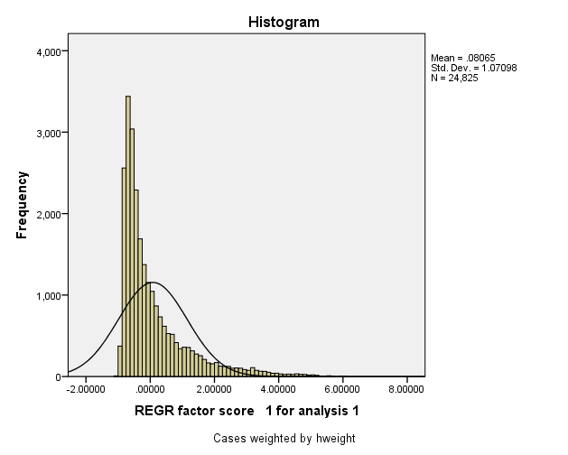

Report
Mean
 | Wealth Index Quintiles
 | 1.00 | 2.00 | 3.00 | 4.00 | 5.00 | Total
agland | 5.3372 | 6.4644 | 7.5295 | 8.6643 | 12.2533 | 8.0495
number of members per sleeping room | 3.3403 | 3.0490 | 2.9332 | 2.7134 | 2.5069 | 2.9085
if water is piped into residence | 0.0000 | 0.0000 | 0.0004 | 0.0013 | 0.1015 | 0.0206
if water is piped into compound/plot | 0.0000 | 0.0001 | 0.0062 | 0.0204 | 0.1983 | 0.0450
if gets water from a public tap | 0.0371 | 0.1031 | 0.1361 | 0.1885 | 0.2911 | 0.1512
if gets water from tubewell or borehole | 0.6185 | 0.5726 | 0.5568 | 0.5321 | 0.3093 | 0.5179
if gets water from a protected well | 0.0525 | 0.0600 | 0.0609 | 0.0639 | 0.0357 | 0.0546
if gets water from an unprotected well | 0.2137 | 0.1888 | 0.1815 | 0.1440 | 0.0448 | 0.1546
if gets water from a protected spring | 0.0022 | 0.0065 | 0.0024 | 0.0040 | 0.0031 | 0.0036
if gets water from unprotected spring | 0.0245 | 0.0288 | 0.0249 | 0.0185 | 0.0087 | 0.0211
if gets water from river, stream, pond, lake or dam | 0.0436 | 0.0368 | 0.0288 | 0.0218 | 0.0071 | 0.0276
if gets water from other source | 0.0078 | 0.0029 | 0.0020 | 0.0054 | 0.0003 | 0.0037
if has own flush toilet | 0.0000 | 0.0000 | 0.0000 | 0.0000 | 0.0953 | 0.0191
if uses shared flush toilet | 0.0000 | 0.0000 | 0.0000 | 0.0011 | 0.0065 | 0.0015
if uses own pit latrine (VIP) | 0.0063 | 0.0153 | 0.0199 | 0.0185 | 0.0293 | 0.0178
if uses a shared pit latrine (VIP) | 0.0094 | 0.0130 | 0.0138 | 0.0144 | 0.0158 | 0.0133
if uses own pit latrine with slab | 0.0019 | 0.0224 | 0.0423 | 0.0497 | 0.1461 | 0.0525
if uses a shared pit latrine w slab | 0.0019 | 0.0159 | 0.0207 | 0.0341 | 0.0959 | 0.0337
if uses own pit latrine without slab | 0.3988 | 0.4792 | 0.5047 | 0.5233 | 0.3665 | 0.4545
if uses a shared pit latrine w/o slab | 0.3106 | 0.3303 | 0.3185 | 0.3181 | 0.2347 | 0.3024
if uses the bush | 0.2610 | 0.1158 | 0.0729 | 0.0376 | 0.0060 | 0.0987
if uses some other type of facility | 0.0094 | 0.0082 | 0.0062 | 0.0024 | 0.0014 | 0.0055
if household has electric | 0.0000 | 0.0014 | 0.0131 | 0.0167 | 0.4216 | 0.0905
if household has radio | 0.1482 | 0.4507 | 0.6213 | 0.6924 | 0.8735 | 0.5572
if household has tv | 0.0000 | 0.0009 | 0.0213 | 0.0542 | 0.5148 | 0.1182
if household has fridge | 0.0000 | 0.0000 | 0.0021 | 0.0038 | 0.2074 | 0.0426
if household has bicycle | 0.2054 | 0.4546 | 0.5739 | 0.6173 | 0.5550 | 0.4812
if household has motorcycle or scooter | 0.0000 | 0.0004 | 0.0031 | 0.0123 | 0.0531 | 0.0138
if household has car or truck | 0.0000 | 0.0000 | 0.0006 | 0.0032 | 0.0994 | 0.0206
if household has landline phone | 0.0000 | 0.0000 | 0.0052 | 0.0136 | 0.0981 | 0.0234
if household has mobile phone | 0.0143 | 0.1711 | 0.4009 | 0.5746 | 0.9099 | 0.4141
if household has watch | 0.0159 | 0.1255 | 0.2783 | 0.3732 | 0.6714 | 0.2928
if owns a bank account | 0.0004 | 0.0160 | 0.0815 | 0.1595 | 0.6172 | 0.1749
if household has koloboyi lamp thing | 0.6532 | 0.5955 | 0.6192 | 0.6210 | 0.3305 | 0.5639
if household has paraffin lamp other than koloboyi | 0.1170 | 0.2565 | 0.4083 | 0.4866 | 0.5214 | 0.3579
if household has bed mattress | 0.0005 | 0.0094 | 0.0878 | 0.3144 | 0.8591 | 0.2542
if household has sofaset | 0.0000 | 0.0003 | 0.0090 | 0.0677 | 0.6214 | 0.1396
if household has table and chairs | 0.0091 | 0.0818 | 0.2462 | 0.4792 | 0.6876 | 0.3008
if owns an animal-drawn cart | 0.0004 | 0.0064 | 0.0152 | 0.0421 | 0.0750 | 0.0278
if floor is earth/sand | 0.9905 | 0.9560 | 0.9360 | 0.6845 | 0.1270 | 0.7389
if floor is dung | 0.0095 | 0.0429 | 0.0443 | 0.0258 | 0.0041 | 0.0253
if floor is of other | 0.0000 | 0.0006 | 0.0026 | 0.0038 | 0.0037 | 0.0022
if has finished flooring of some kind | 0.0000 | 0.0000 | 0.0000 | 0.0007 | 0.0169 | 0.0035
if floor is of cement | 0.0000 | 0.0000 | 0.0000 | 0.0000 | 0.0042 | 0.0008
if wall made of cane/palm/trunks/grass materials (+93 no walls) | 0.0164 | 0.0085 | 0.0070 | 0.0022 | 0.0002 | 0.0069
if wall made of dirt | 0.5411 | 0.3493 | 0.2521 | 0.0987 | 0.0171 | 0.2517
if wall made of bamboo plus mud | 0.0456 | 0.0108 | 0.0077 | 0.0027 | 0.0000 | 0.0134
if wall made of stone plus mud | 0.0214 | 0.0095 | 0.0066 | 0.0045 | 0.0064 | 0.0097
if wall made of stone/mud +14 rud. materials | 0.0670 | 0.0203 | 0.0146 | 0.0077 | 0.0077 | 0.0234
if wall made of cement | 0.0000 | 0.0026 | 0.0016 | 0.0298 | 0.0986 | 0.0265
if wall made of stone w cement or unburnt bricks | 0.3048 | 0.2988 | 0.2474 | 0.1950 | 0.2454 | 0.2583
if wall made of burnt bricks or cemt block | 0.0696 | 0.3029 | 0.4643 | 0.6591 | 0.5607 | 0.4113
if wall made of other materials | 0.0008 | 0.0173 | 0.0132 | 0.0078 | 0.0699 | 0.0218
if has grass/thatch/sod roofing | 1.0000 | 0.9971 | 0.8304 | 0.3261 | 0.0300 | 0.6368
if has roof made of rudimentary materials - mostly iron sheet | 0.0000 | 0.0026 | 0.1658 | 0.6602 | 0.9499 | 0.3556
if roof made of finished materials/roofing tiles | 0.0000 | 0.0003 | 0.0033 | 0.0135 | 0.0201 | 0.0074
if uses electricity for cooking | 0.0000 | 0.0000 | 0.0000 | 0.0001 | 0.0784 | 0.0157
if uses straw/shrubs/grass, dung | 0.0015 | 0.0261 | 0.0311 | 0.0142 | 0.0033 | 0.0152
if uses charcoal or lignite/coal for cooking | 0.0000 | 0.0000 | 0.0176 | 0.0955 | 0.4070 | 0.1040
if uses wood, other for cooking fuel | 0.9985 | 0.9737 | 0.9506 | 0.8888 | 0.5112 | 0.8646
if no food cooked in HH | 0.0000 | 0.0001 | 0.0005 | 0.0013 | 0.0001 | 0.0004

